ONE NZ
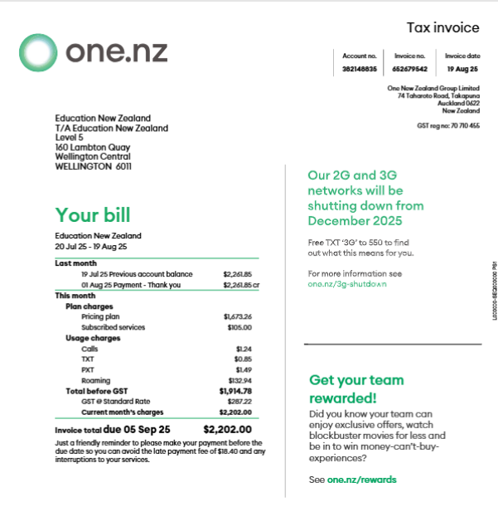

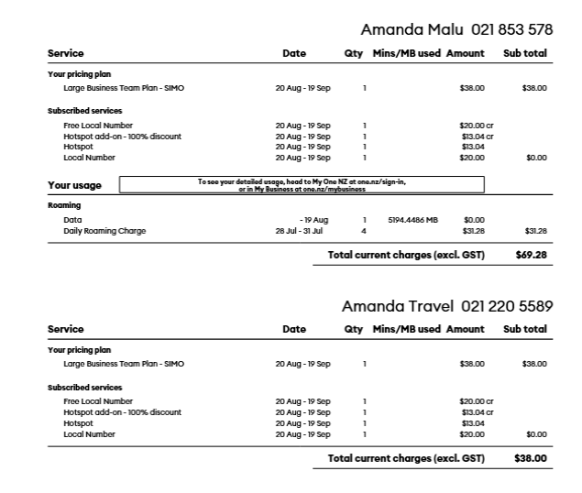
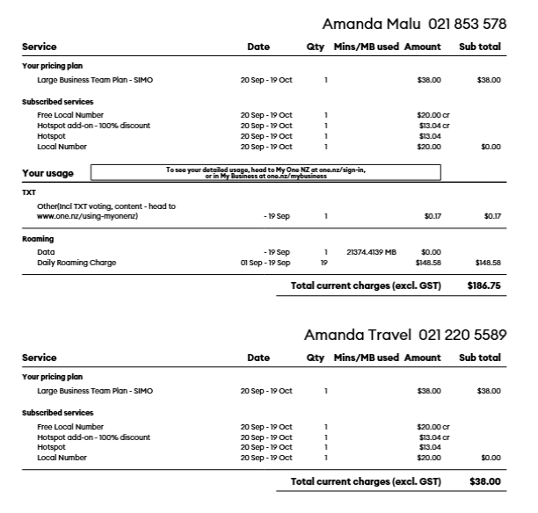
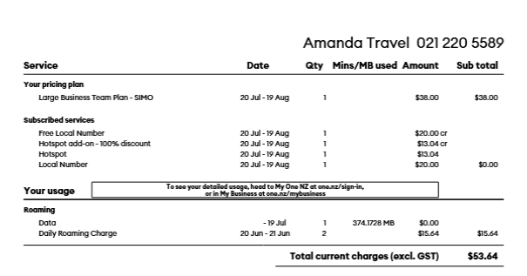
ONE New Zealand Charges for July 2025 to September 2025
Exclusive of GST
 | 20 July 2025 - 19 August 2025 | $107.28
 | 20 August 2025 - 19 Septembr 2025 | $224.75

